Stream 19 - Contamination
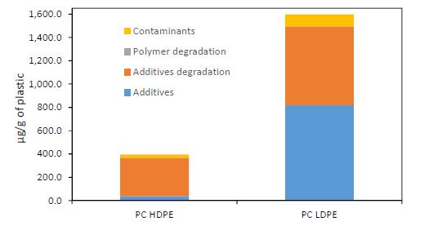
Chemicals found in PC plastic | PC HDPE Concentration (Approx μg/g) | % in PC HDPE | PC LDPE Concentration (Approx μg/g) | % in PC LDPE
Contaminants | 30 | 0.003 | 100 | 0.01
Polymer degradation products | 0 | 0 | 0 | 0
Additive degradation products | 330 | 0.033 | 700 | 0.07
Additives | 30 | 0.003 | 800 | 0.08

Chemicals found in PC plastic | Typical % | Average %
Contaminants | 0.003 - 0.01 | 0.0065
Polymer degradation products | 0 | 0
Additive degradation products | 0.033 - 0.07 | 0.0515
Additives | 0.003 - 0.08 | 0.0415

Stream 19 Additive Contamination Calculation | Stream 16 | Stream 16 Composition | Stream 19 (Assuming constant ratio lost)
Plasticizer | 50,266 | 0.3149 | 17874 |  | O. Horodytska, A. Cabanes, and A. Fullana, “Non-intentionally added substances (NIAS) in recycled plastics,” Chemosphere, vol. 251, p. 126373, Jul. 2020, doi: 10.1016/j.chemosphere.2020.126373.
Flame Retardant | 9,510 | 0.0596 | 3382
UV/Heat Stabilizer | 11,964 | 0.0750 | 4254
Antioxidant | 4,778 | 0.0299 | 1699
Slip Agents | 702 | 0.0044 | 250
Lubricants | 503 | 0.0031 | 179
Antistatics | 924 | 0.0058 | 328
Curing Agents | 503 | 0.0031 | 179
Blowing Agents | 2,513 | 0.0157 | 894
Biocides | 5 | 0.0000 | 2
Colorant | 2,332 | 0.0146 | 829
Organic Pigment | 14 | 0.0001 | 5
Clarifier/Toner | 141 | 0.0009 | 50
Inorganic Pigments | 50 | 0.0003 | 18
Fillers | 5 | 0.0000 | 2
Reinforcement | 75,399 | 0.4724 | 26811
Total Additive | 159,607 | 1 | 56,755

